Jira Road Map
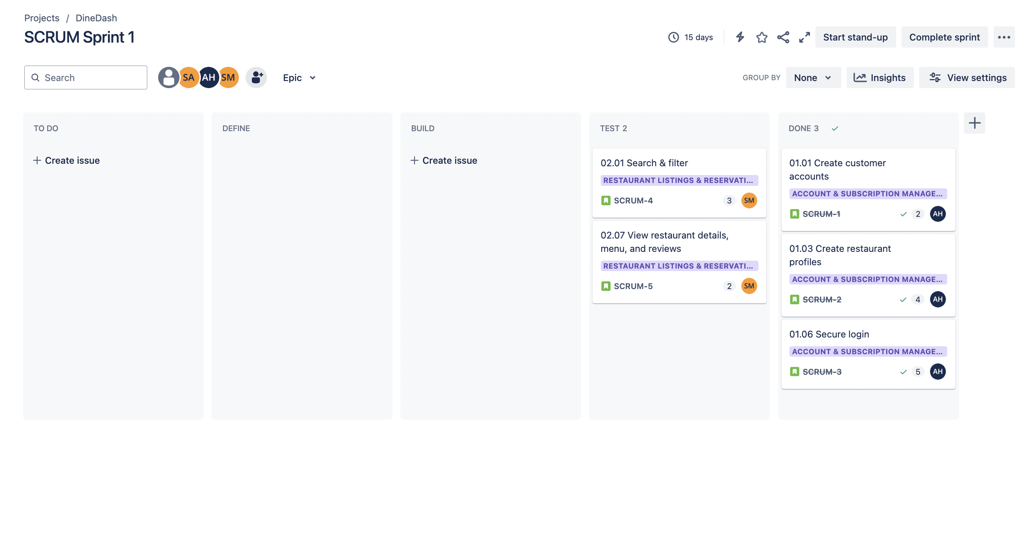
Timeline/Roadmap View: Months

Timeline/Roadmap View: Weeks

Kanban Board

Kanban Board 1
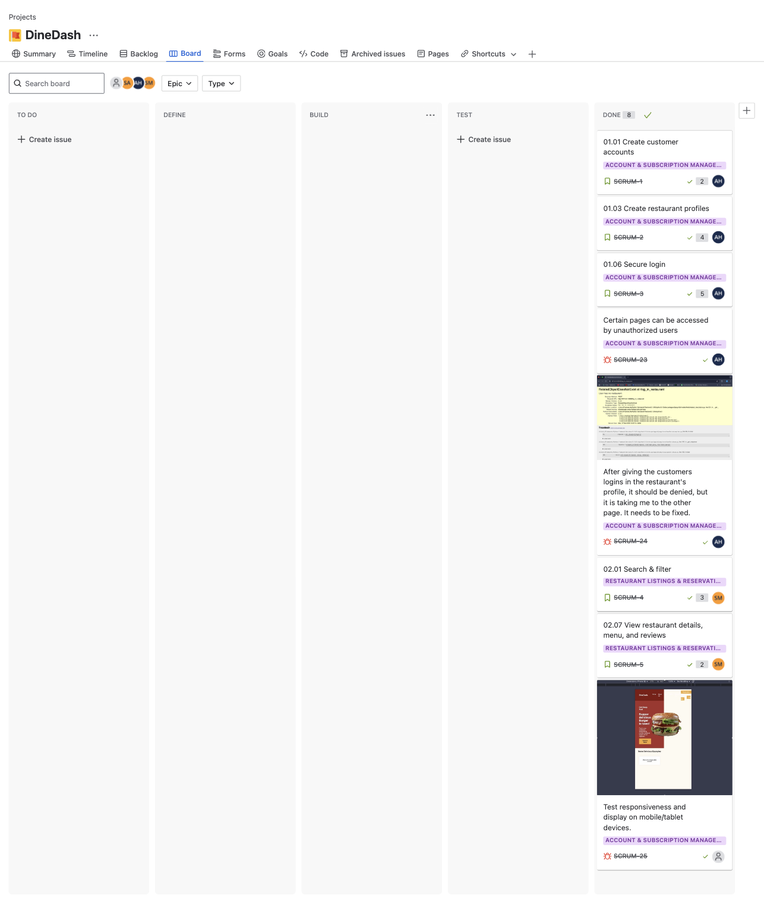
Updated Kanban Board

Kanban board sprint2
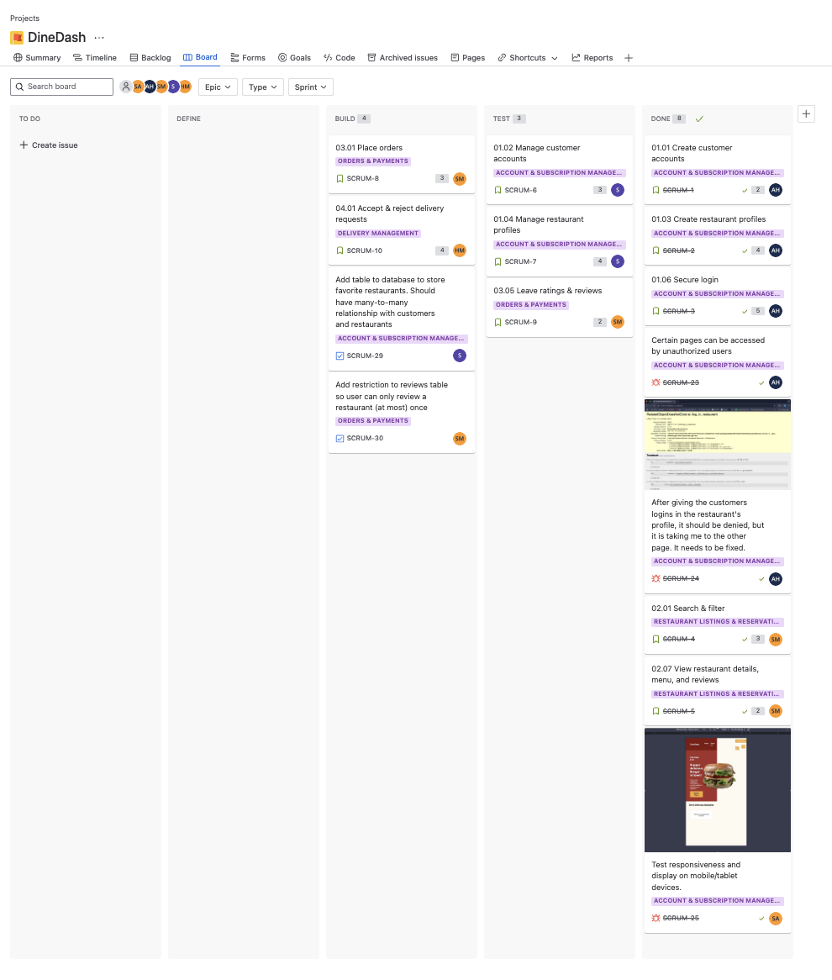
Updated kanaban sprint 2

Updated kanban board sprint 2
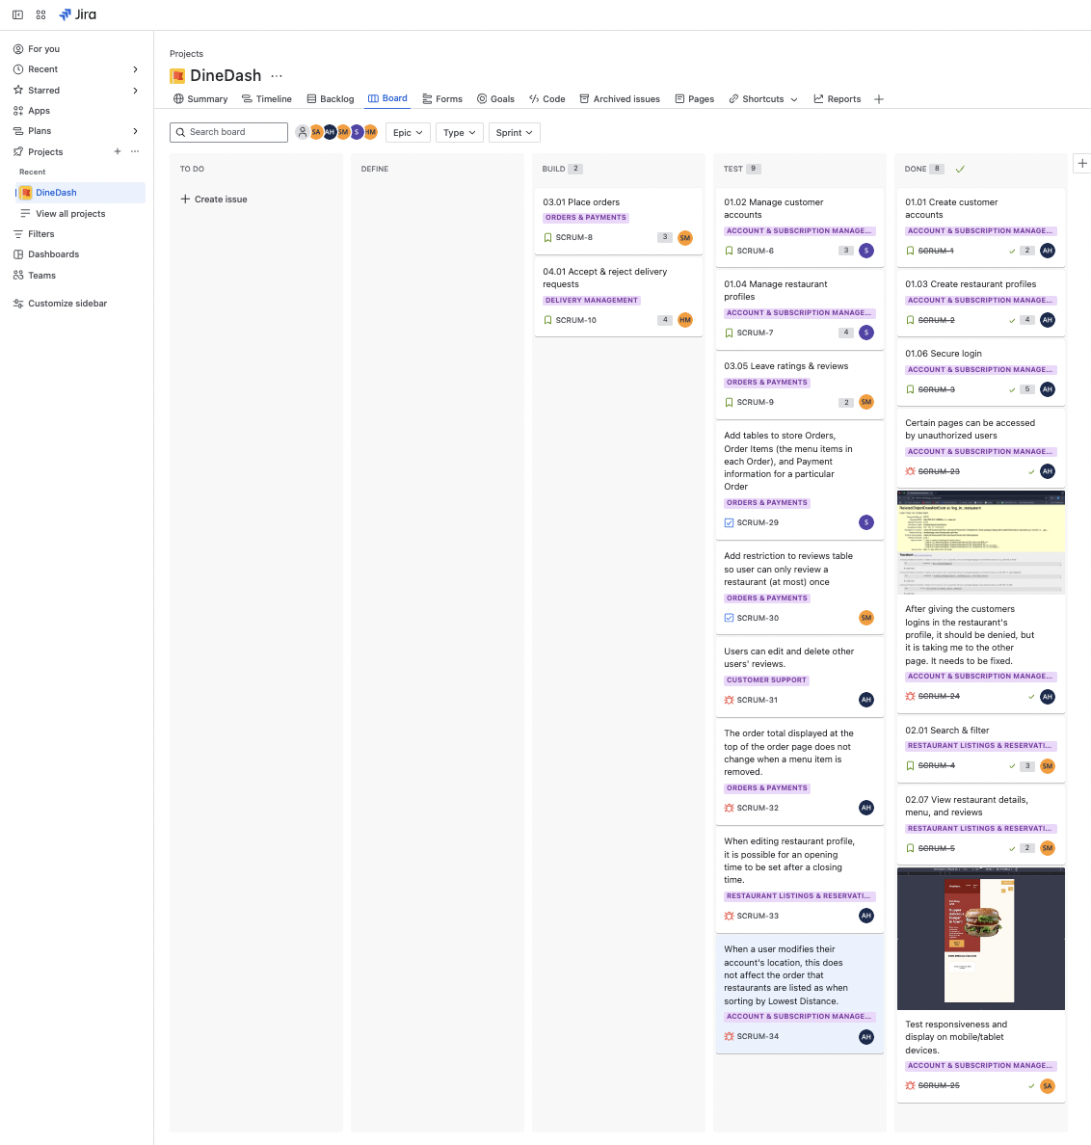
Updated kanban board Sprint 2

kanban sprint2 final
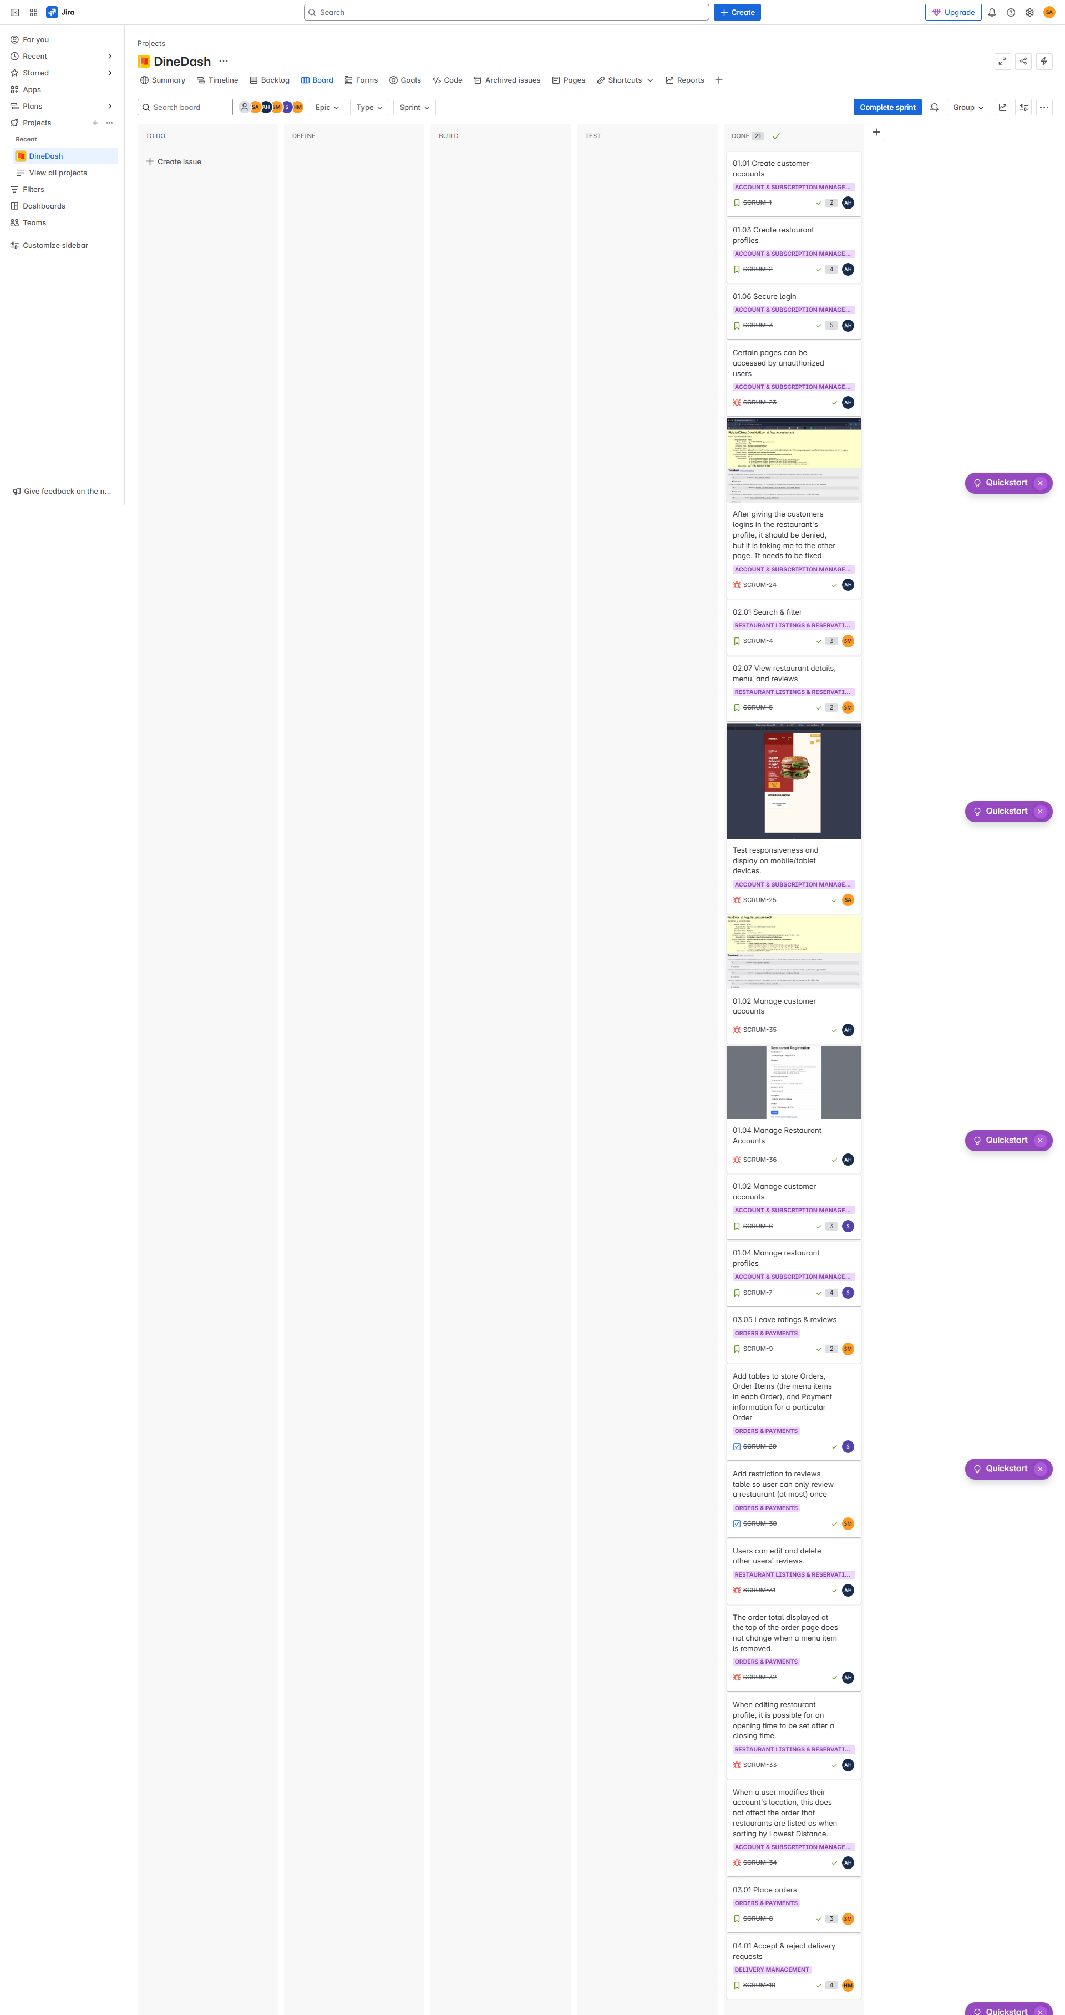
Kanban Sprint 2 Final

Critical tasks sprint 3
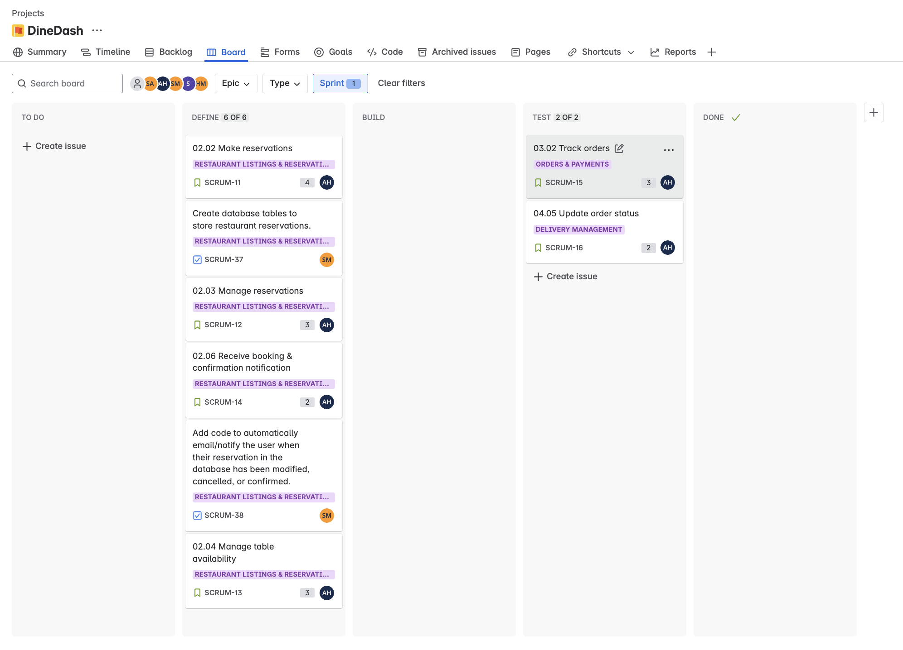
Sprint3 with updated critical tasks

Sprint 3 updated
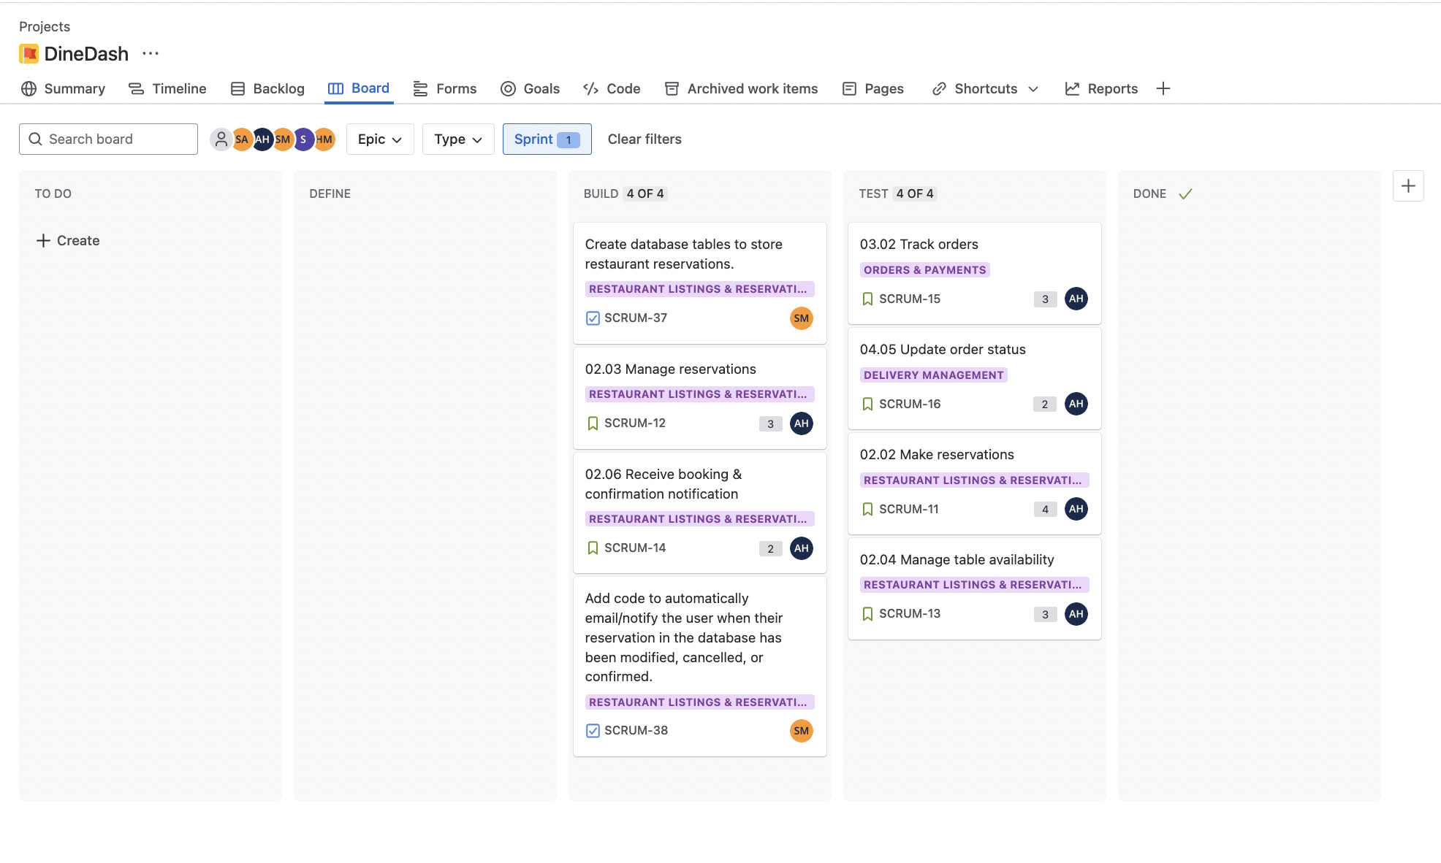
Updated sprint 3

